Calculations
KEY METRICS
ANALYSIS

Gross Profit
Net Profit
Avg. Profit Margin
Sales Volume
Net Revenue
Gross Discount
Net Profit by Color
Net Profit by Category
Net Profit by Brand

Sum of Gross Profit | Sum of Profit After Discount | Average of Profit Margin | Sum of Sales Volume | Sum of Net Revenue | Sum of Gross Discount | Row Labels | Sum of Profit After Discount | Row Labels | Sum of Profit After Discount | Row Labels | Sum of Profit After Discount
$5,109,620.32 | $2,583,716.78 | 17.09 | 62,310 | $14,548,647.29 | $2,525,903.54 | Blue | $467,597.04 | Table | $545,160.66 | BrandC | $661,020.97
 |  |  |  |  |  | Red | $452,252.65 | Chair | $530,696.88 | BrandD | $652,623.53
 |  |  |  |  |  | White | $439,528.27 | Sofa | $529,719.02 | BrandA | $650,882.51
 |  |  |  |  |  | Black | $434,931.89 | Desk | $519,990.33 | BrandB | $619,189.77
 |  |  |  |  |  | Brown | $411,194.79 | Bed | $458,149.90 | Grand Total | 2583716.7848
 |  |  |  |  |  | Green | $378,212.15 | Grand Total | 2583716.7848
 |  |  |  |  |  | Grand Total | 2583716.7848

Net Profit by Season
Net Profit by Location
Net Profit by Store Type

 |  |  |  |  |  | Row Labels | Sum of Profit After Discount | Row Labels | Sum of Profit After Discount | Row Labels | Sum of Profit After Discount
 |  |  |  |  |  | Fall | $712,784.23 | Suburban | 35.70% | Online | 52.30%
 |  |  |  |  |  | Winter | $674,119.72 | Rural | 34.35% | Retail | 47.70%
 |  |  |  |  |  | Spring | $611,810.99 | Urban | 29.95% | Grand Total | 100.00%
 |  |  |  |  |  | Summer | $585,001.85 | Grand Total | 100.00%
 |  |  |  |  |  | Grand Total | 2583716.7848

Net Profit by Material

 |  |  |  |  |  | Row Labels | Sum of Profit After Discount
 |  |  |  |  |  | Wood | $577,281.30
 |  |  |  |  |  | Metal | $523,251.87
 |  |  |  |  |  | Glass | $509,296.33
 |  |  |  |  |  | Plastic | $495,311.04
 |  |  |  |  |  | Fabric | $478,576.24
 |  |  |  |  |  | Grand Total | 2583716.7848

Pre_Analysis Board
PROJECT SPLIT
Category One - Independent Values
Category
Material
Color
Location
Season
Store_Type
Brand
Category Two - Dependent Values
Unit Price
Cost Price
Sales Volume
Profit_Margin_Percentage
Profit Per Unit Sold
Gross Profit
Discount Per Unit Price
Actual Unit Price
Profit After Discount
Inventory
Discount_percentage
Delivery_Days
Gross Revenue
Gross Discount
Net Revenue
POTENTIAL BUSINESS QUESTIONS
1. Which furniture categories and brands generate the highest revenue and profit?
2. Which products have high sales but low profitability?
3. How does Online performance compare with Retail performance?
4. Which locations generate the strongest sales and profitability?
5. Which location generates the highest revenue?
6. Which category has the highest profit margin?
7. Which channel generates more sales?
8. Which channel is more profitable?
8. Which season produces the highest sales?
10. Which season produces the highest profitability?
11. Which brand sells the most?
12. Which brand generates the most profit?
13. Which brand has the highest margin?
14. Which products should the business promote, discount, replenish or discontinue?
POTENTIAL ANALYSIS
1. Net Profit by Color
2. Net Profit by Category
3. Net Profit by Brand
4. Net Profit by Season
5. Net Profit by Location
6. Net Profit by Material
7. Net Profit by Store Type

INITIAL INSIGHTS
1. Identify the colors generating the highest and lowest net profit. High-profit colors may indicate stronger customer preference or better margins, while low-profit colors may require pricing or inventory review.
2. Determine which product categories contribute the largest share of net profit. High-performing categories should receive greater inventory and marketing attention, while weak categories may need repositioning or cost optimization.
3. Compare profitability across brands to identify the most and least profitable brands. A brand generating high sales but low profit could indicate discounting or high acquisition costs, while highly profitable brands may deserve stronger promotion.
4. Examine how profitability changes across seasons. Strong seasonal periods can guide inventory planning, promotions and staffing, while weak periods may require targeted campaigns or cost control.
5. Identify locations contributing the highest and lowest net profit. High-profit locations may represent priority markets, while low-profit locations require investigation into demand, operating costs, pricing or product mix.
6. Determine which materials are associated with the highest profitability. This may reveal customer preferences and help optimize product sourcing, production and inventory allocation.
7. Compare profitability across store formats/types. This helps determine which retail formats generate stronger returns and where expansion or operational improvements may be justified.

INDUSTRY TYPE
Retail Industry (Furniture & Home Furnishings)
PROJECT STAKEHOLDERS
Furniture Retailers & Business Owners, Store Managers, Sales Managers, Merchandising/Product Managers, Inventory & Supply Chain Managers, Marketing Managers, Regional Managers, Financial Analysts, Procurement Managers, Executive Management.
STORY DATA TELLS
The analysis tells the story of furniture sales profitability across products, brands, locations, seasons, materials, and store types. It helps identify the strongest and weakest profit contributors, revealing where the business makes the most money, which products and brands drive profitability, and how performance varies across markets and seasons. it data provides a basis for optimizing product mix, inventory, pricing, store strategy, and resource allocation to improve overall profitability.
WHAT SUCCESS MEANS TO THE INDUSTRY
Success means maximizing profitable furniture sales by optimizing product assortment, pricing, inventory, brand selection, store performance, and geographical and seasonal strategies while minimizing operational costs.

COLUMNS APPENDED
Profit_Margin_Percentage
Profit Per Unit Sold
Gross Profit
Discount Per Unit Price
Actual Unit Price
Profit After Discount
Gross Revenue
Gross Discount
Net Revenue
Profit After Discount Per Unit Sold
Net Profit Margin
COGS

In_Analysis Board
ANALYSIS - Net Profit by Color
Observations
Blue generated the highest net profit at $467,597.04, followed by Red $452,252.65 and White $439,528.27. Black contributed $434,931.89, while Brown generated $411,194.79. Green recorded the lowest net profit at $378,212.15.
Insights
1. Blue is the most profitable color, generating $467,597.04, making it the strongest contributor to net profit.
2. Red and White also performed strongly, generating $452,252.65 and $439,528.27, respectively.
3. Green recorded the lowest net profit at $378,212.15, indicating weaker profitability compared with the other colors.
4.The gap between the highest and lowest performers is approximately $89,385, suggesting a meaningful difference in profitability by color.
ANALYSIS - Net Profit by Category
Observations
Table generated the highest net profit at $545,160.66, followed by Chair $530,696.88 and Sofa $529,719.02. Desk contributed $519,990.33, while Bed recorded the lowest net profit at $458,149.90.
Insights
1. Tables are the most profitable category, generating $545,160.66. Chairs and sofas also show strong profitability, with both exceeding $529,000.
2. Desks remain a strong contributor at $519,990.33, although slightly below the top three categories.
3. Beds recorded the lowest net profit at $458,149.90, indicating weaker profitability relative to the other categories.
4. The difference between the highest and lowest categories is approximately $87,011, showing a notable profitability gap.
5. Tables, chairs, and sofas are the strongest profit contributors and could be prioritized in inventory, marketing, and sales strategies.
POTENTIAL ANALYSIS
ANALYSIS - Net Profit by Brand
Observations
BrandC generated the highest net profit at $661,020.97, followed by BrandD $652,623.53 and BrandA $650,882.51. BrandB recorded the lowest net profit at $619,189.77.
Insights
1. BrandC is the most profitable brand, generating $661,020.97. BrandD and BrandA performed strongly, with profits above $650,000.
2. BrandB recorded the lowest net profit at $619,189.77, trailing BrandC by approximately $41,831.

ANALYSIS - Net Profit by Season
Observations
Fall generated the highest net profit at $712,784.23, followed by Winter $674,119.72 and Spring $611,810.99. Summer recorded the lowest net profit at $585,001.85.
Insights
1. Fall is the strongest season, generating $712,784.23 in net profit.
2. Winter also performed strongly, with $674,119.72, making it the second-most profitable season.
3. Spring generated $611,810.99, placing it in the middle of the seasonal performance ranking.
4. Summer recorded the lowest profit at $585,001.85, approximately $127,782 below Fall.
4.The results show a clear seasonal profitability pattern, with Fall and Winter outperforming Spring and Summer.
ANALYSIS - Net Profit by Location
Observations
The suburban area contributed the highest share of net profit at 35.70%, followed by rural area at 34.35%. The urban area accounted for 29.95%, making it the lowest contributor.
Insights
1. Suburban locations lead profitability, contributing 35.70% of total net profit.
2. Rural locations are also strong performers at 34.35%, only 1.35 percentage points behind Suburban locations.
3. Urban locations recorded the lowest contribution at 29.95%, suggesting comparatively lower profitability.
4. Investigate the factors driving strong performance in Suburban and Rural markets and identify opportunities to improve profitability in Urban locations.
ANALYSIS - Net Profit by Material
Observations
Wood generated the highest net profit at $577,281.30, followed by Metal ($523,251.87) and Glass ($509,296.33). Plastic contributed $495,311.04, while Fabric recorded the lowest net profit at $478,576.24.
Insights
1. Wood is the most profitable material, generating $577,281.30 and outperforming all other materials.
2. Metal and Glass are also strong contributors, generating $523,251.87 and $509,296.33, respectively.
3. Plastic recorded a moderate profit of $495,311.04. Fabric generated the lowest net profit at $478,576.24, approximately $98,705 below Wood.
4. The results suggest that Wood-based furniture is a particularly strong profit driver, potentially reflecting higher demand, pricing, or margins.

ANALYSIS - Net Profit by Store Type
Observations
Online stores generated the larger share of net profit at 52.30%, while Retail stores contributed 47.70%
Insights
1.Online sales lead profitability, contributing 52.30% of total net profit. 2. Retail stores also remain a strong contributor at 47.70%, showing that both channels play an important role.
3. Examine the factors driving strong performance in the online store and identify opportunities to improve profitability in retail store.

Dashboard
FURNITURE SALES AND PROFITABILTY ANALYSIS

Key Metrics
Home
Net Revenue
Gross Discount
Gross Profit
Net Profit
Sales Volume
Avg. Profit Magin
$14,548,647.29
$2,525,903.54
$5,109,620.32
$2,583,716.78
62,310
17.09
%

Pre-Analysis
Net Profit by Color
Net Profit by Category
 | Total
Blue | $467,597.04
Red | $452,252.65
White | $439,528.27
Black | $434,931.89
Brown | $411,194.79
Green | $378,212.15
 | Total
Table | $545,160.66
Chair | $530,696.88
Sofa | $529,719.02
Desk | $519,990.33
Bed | $458,149.90
In-Analysis
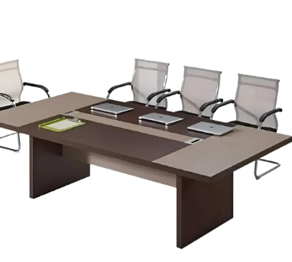
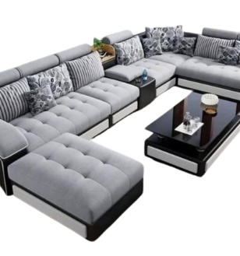
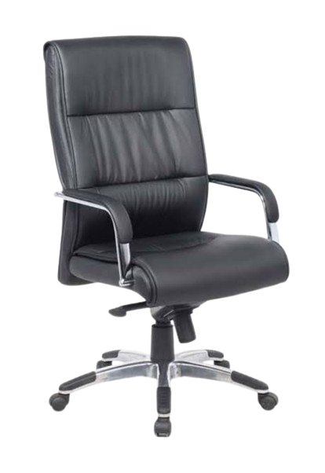
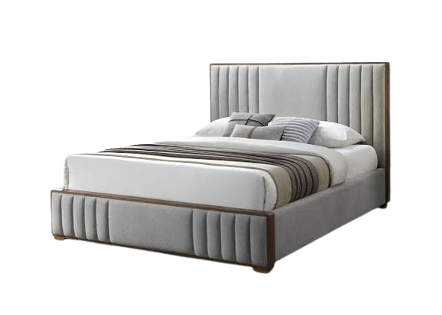
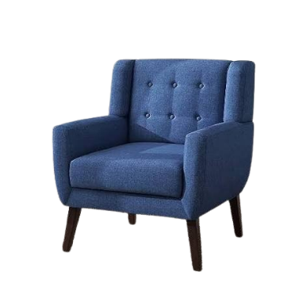

Observations

Recomm.

Net Profit by Brand
Net Profit by Location
Net Profit by Season
 | Total
BrandC | $661,020.97
BrandD | $652,623.53
BrandA | $650,882.51
BrandB | $619,189.77
 | Total
Suburban | 35.70%
Rural | 34.35%
Urban | 29.95%
 | Total
Fall | $712,784.23
Winter | $674,119.72
Spring | $611,810.99
Summer | $585,001.85

Prepared By: Magaji Bashiru

Post_Analysis Observations
Strong revenue and sales volume
Net revenue stands at $14.55M from 62,310 units sold, indicating substantial sales activity.
The business has a broad customer and product base rather than relying on a single product or channel.
Discounts are the biggest profitability concern
Gross discount reached $2.53M, which is almost 49.4% of gross profit $5.11M making profit after discount fall to $2.58M.
This suggests that aggressive discounting is having a significant impact on profitability.
Profitability is relatively well distributed across brands
BrandC leads with $661,020.97, while BrandB is lowest at $619,189.77.
The relatively small gap of about $41,831 suggests that no single brand dominates profitability.
-

Wood is the strongest material
Wood generated $577,281.30, the highest profit among the materials while fabric generated the lowest profit at $478,576.24.
This creates an opportunity to investigate whether wood products have stronger demand, pricing, or margins.
Tables shows the strongest product category by profit
Tables generated $545,160.66 profit, followed closely by Chairs and Sofas.
Beds were the weakest category at $458,149.90 profit.
The business could examine whether the lower profitability of beds is caused by pricing, production costs, demand, or discounting
Highest profit in Fall season
Fall generated the highest profit at $712,784.23, while Summer generated $585,001.85.
This indicates a meaningful seasonal difference in profitability.
Inventory and promotional strategies should therefore be aligned with seasonal demand

Relatively balanced profitability by location
Suburban areas contributed 35.70% of the total profit, Rural 34.35%, and Urban 29.95%.
The spread suggests that the business is not overly dependent on one location type.
Online sales have a slight profitability advantage
Online contributed 52.30% of profit compared with 47.70% from Retail.
The relatively close split suggests that an omnichannel strategy is important rather than relying exclusively on either channel.
Blue is the best-performing color by profit
Blue generated $467,597.04, while Green generated $378,212.15.
The approximately $89,385 gap suggests that product color may influence profitability, although sales volume and product mix should be examined before attributing the difference directly to customer preference.
-

Post_Analysis Recommendations
Reduce excessive discounting
The $2.53M gross discount is the biggest profitability concern.
Cutdown or Introduce discount limits and target promotions rather than broad discounts.
Monitor whether discounts actually generate enough additional sales to justify the lost margin.
Prioritize high profit products
Increase focus on Tables, Chairs, and Sofas, which are among the strongest categories. Ensure these products have adequate inventory and prominent placement across online and physical stores.
Increase focus on high performing materials
Wood generated the highest material level profit at $577,281.30.
Consider expanding the range of profitable wood-based furniture while monitoring material costs and supply availability
-

Optimize seasonal inventory
Fall and Winter are the strongest profit-generating seasons.
Increase inventory and marketing activities ahead of these periods while using targeted promotions to stimulate demand during weaker seasons such as Summer.
Strengthen the online sales channel
Online sales contribute 52.30% of profit, slightly ahead of retail at 47.70%.
Invest in digital marketing, website usability, product presentation, delivery experience, and customer retention
Improve weaker performing segments
Investigate why Beds, Fabric products, Green products, BrandB, and Summer sales generate comparatively lower profits.
Assess their pricing, demand, production costs, discount levels, and sales volumes before making decisions to reduce or discontinue them.

Replicate successful location strategies
Suburban and Rural locations outperform Urban locations.
Investigate the factors driving their performance such as product mix, pricing, customer demand, and operating costs and apply relevant strategies to Urban markets
Strengthen brand level profitability management
Although BrandC leads profitability, the relatively narrow gap between the brands suggests a balanced portfolio.
Rather than focusing exclusively on one brand, identify the specific products and pricing strategies responsible for higher margins within each brand.
Monitor profit margin as a core KPI
With an average profit margin of 17.09%, management should track margin alongside revenue and sales volume.
A rise in sales should not be considered successful if it comes primarily from heavy discounting and produces little additional profit.
-

